ChannelMasterData
Default Channel Grouping | Date Range | Users | New Users | Sessions | Bounce Rate | Pages / Session | Avg. Session Duration | Ecommerce Conversion Rate | Transactions | Revenue
Direct | Mar 1, 2022 - Mar 31, 2022 | 50765 | 46341 | 68573 | 42.72% | 5.10 | 217.15 | 2.70% | 1849 | 194841.37
Direct | Mar 1, 2023 - Mar 31, 2023 | 44088 | 39943 | 57771 | 45.81% | 4.03 | 190.20 | 1.65% | 956 | 129471.66
Paid Search | Mar 1, 2022 - Mar 31, 2022 | 5084 | 4647 | 6375 | 57.84% | 4.32 | 136.30 | 3.22% | 205 | 22045.92
Paid Search | Mar 1, 2023 - Mar 31, 2023 | 5655 | 4791 | 7722 | 47.10% | 4.38 | 173.70 | 2.43% | 188 | 19109.52
Display | Mar 1, 2022 - Mar 31, 2022 | 3101 | 3019 | 3488 | 85.95% | 1.51 | 32.46 | 0.00% | 0 | 0.00
Display | Mar 1, 2023 - Mar 31, 2023 | 25 | 2 | 58 | 63.79% | 3.53 | 115.26 | 1.72% | 1 | 56.80
Affiliates | Mar 1, 2022 - Mar 31, 2022 | 238 | 210 | 296 | 64.19% | 2.84 | 180.57 | 1.01% | 3 | 3408.00
Affiliates | Mar 1, 2023 - Mar 31, 2023 | 152 | 135 | 193 | 74.61% | 2.08 | 111.39 | 0.00% | 0 | 0.00
(Other) | Mar 1, 2022 - Mar 31, 2022 | 8 | 8 | 8 | 12.50% | 2.38 | 381.75 | 0.00% | 0 | 0.00
(Other) | Mar 1, 2023 - Mar 31, 2023 | 3 | 2 | 3 | 33.33% | 2.67 | 128.00 | 0.00% | 0 | 0.00
 | Mar 1, 2022 - Mar 31, 2022 | 59196 | 54225 | 78740 | 45.94% | 4.87 | 202.30 | 2.61% | 2057 | 220295.29
 | Mar 1, 2023 - Mar 31, 2023 | 49923 | 44873 | 65747 | 46.06% | 4.06 | 187.96 | 1.74% | 1145 | 148637.98
Direct Search
Paid Search
Affiliates
Display

Channel Distribution

 |  | Users in 2022 | User in 2023
 | Direct | 50765 | 44088
 | (Other) | 8 | 3
 | Display | 25 | 238
 | Affiliates | 238 | 152
 | Paid Search | 5084 | 5655

Devices
Device Category | Date Range | Users | New Users | Sessions | Bounce Rate | Pages / Session | Avg. Session Duration | Transactions | Revenue | Ecommerce Conversion Rate
desktop | Mar 1, 2022 - Mar 31, 2022 | 41537 | 37102 | 58383 | 42.66% | 5.35 | 235.47 | 1910 | 211144.41 | 3.27%
desktop | Mar 1, 2023 - Mar 31, 2023 | 34888 | 30735 | 48650 | 43.17% | 4.38 | 216.92 | 1039 | 141653.46 | 2.14%
mobile | Mar 1, 2022 - Mar 31, 2022 | 16756 | 16241 | 19348 | 55.19% | 3.50 | 107.00 | 142 | 8915.40 | 0.73%
mobile | Mar 1, 2023 - Mar 31, 2023 | 13923 | 13444 | 16259 | 53.82% | 3.18 | 105.84 | 101 | 6407.52 | 0.62%
tablet | Mar 1, 2022 - Mar 31, 2022 | 904 | 882 | 1009 | 58.28% | 3.53 | 110.62 | 5 | 235.48 | 0.50% |  | 2022 | 2023
tablet | Mar 1, 2023 - Mar 31, 2023 | 716 | 694 | 838 | 63.13% | 2.79 | 100.34 | 5 | 577.00 | 0.60% | desktop | 58383 | 48650
 | Mar 1, 2022 - Mar 31, 2022 | 59197 | 54225 | 78740 | 45.94% | 4.87 | 202.30 | 2057 | 220295.29 | 2.61% | mobile | 19348 | 16259
 | Mar 1, 2023 - Mar 31, 2023 | 49527 | 44873 | 65747 | 46.06% | 4.06 | 187.96 | 1145 | 148637.98 | 1.74% | tablet | 1009 | 838

Sessions Distribution
 |  |  |  |  |  |  |  |  | 2022 | 2023
desktop | 41537 |  | desktop | 34888 |  |  |  | desktop | 41537 | 34888
mobile | 16756 |  | mobile | 13923 |  |  |  | mobile | 16756 | 13923
tablet | 904 |  | tablet | 716 |  |  |  | tablet | 904 | 716
2023
2022
Device Distribution

Conversion_Revenue
Region | Year | Conversion Rates | Revenue |  |  |  |  | 2022 | 2023
California | 2022 | 6.42% | 85571.94
California | 2023 | 3.82% | 39212.76 | California | 6.42% | 3.82% | California | 85571.94 | 39212.76
New York | 2022 | 5.26% | 16584.58 | New York | 5.26% | 5.84% | New York | 16584.58 | 14416.52
New York | 2023 | 5.84% | 14416.52 | Texas | 5.87% | 3.88% | Texas | 16811.52 | 5624.56
Texas | 2022 | 5.87% | 16811.52 | Washington | 6.37% | 4.07% | Washington | 10753.69 | 6312.16
Texas | 2023 | 3.88% | 5624.56 | Illinois | 5.48% | 5.23% | Illinois | 9157.88 | 9209.96
Washington | 2022 | 6.37% | 10753.69
Washington | 2023 | 4.07% | 6312.16
Region Wise Conversion Rates
California | 6.42% | 3.82%
New York | 5.26% | 5.84%
Texas | 5.87% | 3.88%
Washington | 6.37% | 4.07%
Illinois | 5.48% | 5.23%
Region Wise Revenue
Illinois | 2022 | 5.48% | 9157.88
Illinois | 2023 | 5.23% | 9209.96

NewvsReturningusers
User Type | Date Range | Users | New Users | Sessions | Bounce Rate | Pages / Session | Avg. Session Duration | Transactions | Revenue | Ecommerce Conversion Rate
Returning Visitor | Mar 1, 2023 - Mar 31, 2023 | 7296 | 0 | 13680 | 40.32% | 5.67 | 251.12 | 671 | 92924.38 | 4.90%
Returning Visitor | Mar 1, 2022 - Mar 31, 2022 | 8942 | 0 | 17070 | 31.54% | 7.94 | 310.17 | 1339 | 156283.17 | 7.84%
New Visitor | Mar 1, 2023 - Mar 31, 2023 | 23837 | 23683 | 23683 | 41.98% | 4.32 | 175.65 | 416 | 39817.90 | 1.76%
New Visitor | Mar 1, 2022 - Mar 31, 2022 | 30798 | 31057 | 31057 | 44.40% | 4.83 | 177.38 | 665 | 58512.87 | 2.14%
 | Mar 1, 2023 - Mar 31, 2023 | 31133 | 23683 | 37363 | 41.38% | 4.81 | 203.28 | 1087 | 132742.28 | 2.91%
 | Mar 1, 2022 - Mar 31, 2022 | 39740 | 31057 | 48127 | 39.84% | 5.93 | 224.48 | 2004 | 214796.04 | 4.16%
Revenue Analysis

Returning Visitor vs New Visitor
 |  |  | 2022 | 2023
 |  | Returning Visitor | 8942 | 7296
 |  | New Visitor | 30798 | 23837
 |  |  | 39740 | 31133
 |  |  |  | 21.658278812

 |  | 2022 | 2023
 | Returning Visitor | 156283.17 | 92924.38
 | New Visitor | 58512.87 | 39817.90

 |  | Returning Visitor | New Visitor | Total
 | 2022 | 156283.17 | 58512.87 | 214796.04
 | 2023 | 92924.38 | 39817.90 | 132742.28
 |  | -40.541019228 | -31.950184635

 |  | Returning Vistor | New Visitor
 | Revenue | -40.51% | -31.95%

Bounce_Rate
Region | Date Range | Users | New Users | Sessions | Bounce Rate | Pages / Session | Avg. Session Duration | Transactions | Revenue | Ecommerce Conversion Rate
California | Mar 1, 2022 - Mar 31, 2022 | 7931 | 6493 | 11438 | 30.50% | 7.74 | 270.43 | 734 | 85571.94 | 6.42%
California | Mar 1, 2023 - Mar 31, 2023 | 6052 | 4819 | 8537 | 33.99% | 5.91 | 228.33 | 326 | 39212.76 | 3.82%
New York | Mar 1, 2022 - Mar 31, 2022 | 2356 | 2013 | 3272 | 36.28% | 6.43 | 218.65 | 172 | 16584.58 | 5.26%
New York | Mar 1, 2023 - Mar 31, 2023 | 1678 | 1354 | 2346 | 37.94% | 5.62 | 209.71 | 137 | 14416.52 | 5.84%
Texas | Mar 1, 2022 - Mar 31, 2022 | 1771 | 1536 | 2418 | 39.78% | 6.78 | 234.96 | 142 | 16811.52 | 5.87%
Texas | Mar 1, 2023 - Mar 31, 2023 | 1471 | 1236 | 1858 | 38.54% | 5.27 | 200.91 | 72 | 5624.56 | 3.88%
Washington | Mar 1, 2022 - Mar 31, 2022 | 1298 | 1049 | 1885 | 29.92% | 7.30 | 232.34 | 120 | 10753.69 | 6.37%
Washington | Mar 1, 2023 - Mar 31, 2023 | 1311 | 1073 | 1696 | 36.62% | 5.72 | 194.29 | 69 | 6312.16 | 4.07%
Illinois | Mar 1, 2022 - Mar 31, 2022 | 999 | 861 | 1405 | 36.94% | 6.43 | 233.65 | 77 | 9157.88 | 5.48%
Illinois | Mar 1, 2023 - Mar 31, 2023 | 746 | 606 | 1089 | 40.86% | 5.40 | 218.72 | 57 | 9209.96 | 5.23%
Florida | Mar 1, 2022 - Mar 31, 2022 | 901 | 808 | 1154 | 46.97% | 5.24 | 212.84 | 42 | 4968.90 | 3.64%
Florida | Mar 1, 2023 - Mar 31, 2023 | 691 | 616 | 903 | 45.85% | 4.97 | 185.25 | 28 | 5118.28 | 3.10%
New Jersey | Mar 1, 2022 - Mar 31, 2022 | 830 | 699 | 1155 | 35.15% | 7.40 | 257.84 | 88 | 8861.55 | 7.62%
New Jersey | Mar 1, 2023 - Mar 31, 2023 | 574 | 473 | 825 | 33.09% | 6.31 | 321.50 | 24 | 4091.84 | 2.91%
Massachusetts | Mar 1, 2022 - Mar 31, 2022 | 724 | 607 | 1102 | 34.94% | 6.75 | 268.21 | 47 | 5281.37 | 4.26%
Massachusetts | Mar 1, 2023 - Mar 31, 2023 | 507 | 416 | 722 | 36.15% | 5.23 | 225.59 | 29 | 4111.58 | 4.02%
Georgia | Mar 1, 2022 - Mar 31, 2022 | 714 | 607 | 1013 | 37.61% | 7.02 | 263.52 | 65 | 5220.55 | 6.42%
Georgia | Mar 1, 2023 - Mar 31, 2023 | 534 | 430 | 716 | 38.97% | 6.08 | 219.72 | 40 | 5098.48 | 5.59%
Pennsylvania | Mar 1, 2022 - Mar 31, 2022 | 691 | 628 | 844 | 49.17% | 5.58 | 183.43 | 35 | 4372.99 | 4.15%
Pennsylvania | Mar 1, 2023 - Mar 31, 2023 | 443 | 393 | 511 | 48.73% | 3.99 | 150.40 | 14 | 942.80 | 2.74%
 | Mar 1, 2022 - Mar 31, 2022 | 26915 | 23116 | 36815 | 37.81% | 6.53 | 231.91 | 1953 | 208624.77 | 5.30%
 | Mar 1, 2023 - Mar 31, 2023 | 21057 | 17522 | 28065 | 39.59% | 5.31 | 208.51 | 1050 | 121355.26 | 3.74%

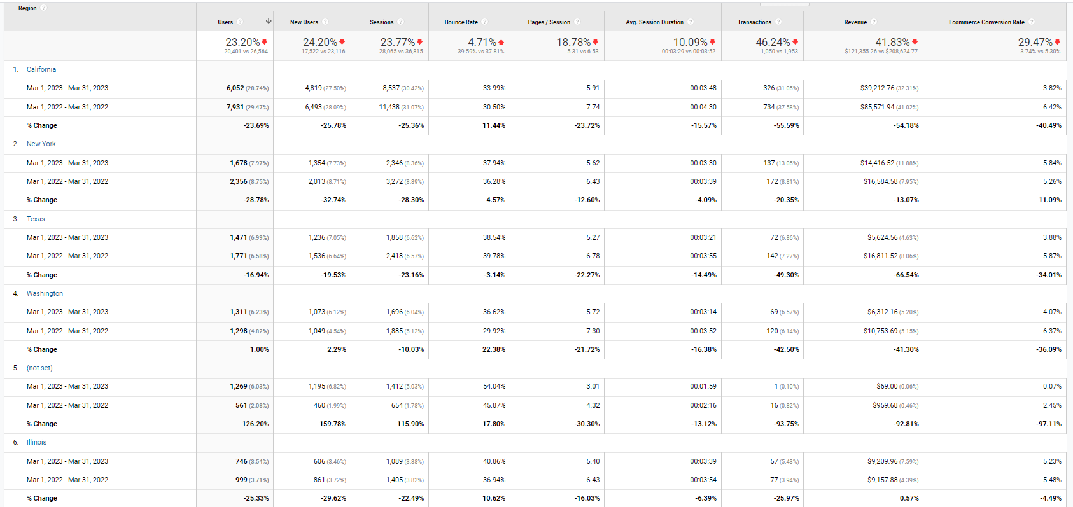

 |  |  |  |  | Region
 |  |  |  |  | California
 |  |  |  |  | New York
 |  |  |  |  | Texas
 |  |  |  |  | Washington
 |  |  |  |  | Illinois

